TOTAL
Alkalmazott szűrők: Highlighted nem egyezik ezzel: (Üres) Arrival_date ekkori vagy későbbi a következőnél: 2026.03.30. 0:00:00 és dátuma korábbi, mint 2026.04.06. 0:00:00 Mandatory egyezik ezzel: Yes LSP egyezik ezzel: Maersk Canceled_shipment egyezik ezzel: N

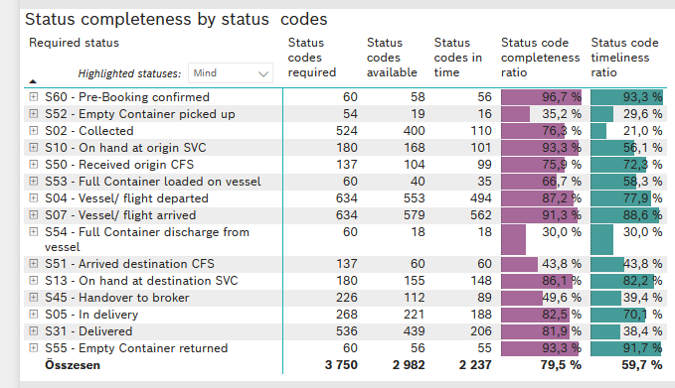
Required status | STATUS_TYPE | Service_Provider | Status codes required | Status codes available | Status codes in time | Status code completeness ratio | Status code timeliness ratio
S60 - Pre-Booking confirmed | Actual | 0000056066 - Maersk | 60 | 58 | 56 | 96.7 % | 93.3 %
S52 - Empty Container picked up | Actual | 0000056066 - Maersk | 54 | 19 | 16 | 35.2 % | 29.6 %
S02 - Collected | Actual | 0000056066 - Maersk | 289 | 213 | 110 | 73.7 % | 38.1 %
S02 - Collected | Estimated | 0000056066 - Maersk | 235 | 187 | 0 | 79.6 % | 0.0 %
S10 - On hand at origin SVC | Actual | 0000056066 - Maersk | 180 | 168 | 101 | 93.3 % | 56.1 %
S50 - Received origin CFS | Actual | 0000056066 - Maersk | 137 | 104 | 99 | 75.9 % | 72.3 %
S53 - Full Container loaded on vessel | Actual | 0000056066 - Maersk | 60 | 40 | 35 | 66.7 % | 58.3 %
S04 - Vessel/ flight departed | Actual | 0000056066 - Maersk | 317 | 275 | 269 | 86.8 % | 84.9 %
S04 - Vessel/ flight departed | Estimated | 0000056066 - Maersk | 317 | 278 | 225 | 87.7 % | 71.0 %
S07 - Vessel/ flight arrived | Actual | 0000056066 - Maersk | 317 | 288 | 287 | 90.9 % | 90.5 %
S07 - Vessel/ flight arrived | Estimated | 0000056066 - Maersk | 317 | 291 | 275 | 91.8 % | 86.8 %
S54 - Full Container discharge from vessel | Actual | 0000056066 - Maersk | 60 | 18 | 18 | 30.0 % | 30.0 %
S51 - Arrived destination CFS | Actual | 0000056066 - Maersk | 137 | 60 | 60 | 43.8 % | 43.8 %
S13 - On hand at destination SVC | Actual | 0000056066 - Maersk | 180 | 155 | 148 | 86.1 % | 82.2 %
S45 - Handover to broker | Actual | 0000056066 - Maersk | 113 | 66 | 65 | 58.4 % | 57.5 %
S45 - Handover to broker | Estimated | 0000056066 - Maersk | 113 | 46 | 24 | 40.7 % | 21.2 %
S05 - In delivery | Actual | 0000056066 - Maersk | 268 | 221 | 188 | 82.5 % | 70.1 %
S31 - Delivered | Actual | 0000056066 - Maersk | 268 | 207 | 72 | 77.2 % | 26.9 %
S31 - Delivered | Estimated | 0000056066 - Maersk | 268 | 232 | 134 | 86.6 % | 50.0 %
S55 - Empty Container returned | Actual | 0000056066 - Maersk | 60 | 56 | 55 | 93.3 % | 91.7 %

BCO
Alkalmazott szűrők: Highlighted nem egyezik ezzel: (Üres) Arrival_date ekkori vagy későbbi a következőnél: 2026.03.30. 0:00:00 és dátuma korábbi, mint 2026.04.06. 0:00:00 Mandatory egyezik ezzel: Yes LSP egyezik ezzel: Maersk Service_Load egyezik ezzel: BCO Canceled_shipment egyezik ezzel: N
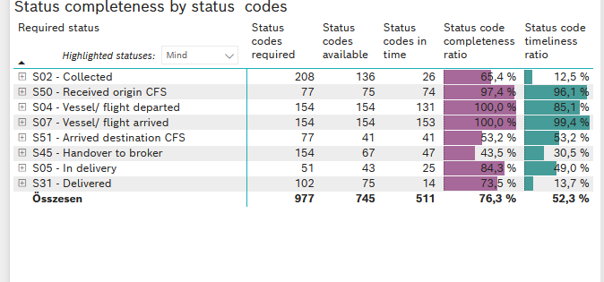
Required status | STATUS_TYPE | Service_Provider | Status codes required | Status codes available | Status codes in time | Status code completeness ratio | Status code timeliness ratio
S02 - Collected | Actual | 0000056066 - Maersk | 104 | 67 | 26 | 64.4 % | 25.0 %
S02 - Collected | Estimated | 0000056066 - Maersk | 104 | 69 | 0 | 66.3 % | 0.0 %
S50 - Received origin CFS | Actual | 0000056066 - Maersk | 77 | 75 | 74 | 97.4 % | 96.1 %
S04 - Vessel/ flight departed | Actual | 0000056066 - Maersk | 77 | 77 | 77 | 100.0 % | 100.0 %
S04 - Vessel/ flight departed | Estimated | 0000056066 - Maersk | 77 | 77 | 54 | 100.0 % | 70.1 %
S07 - Vessel/ flight arrived | Actual | 0000056066 - Maersk | 77 | 77 | 77 | 100.0 % | 100.0 %
S07 - Vessel/ flight arrived | Estimated | 0000056066 - Maersk | 77 | 77 | 76 | 100.0 % | 98.7 %
S51 - Arrived destination CFS | Actual | 0000056066 - Maersk | 77 | 41 | 41 | 53.2 % | 53.2 %
S45 - Handover to broker | Actual | 0000056066 - Maersk | 77 | 42 | 42 | 54.5 % | 54.5 %
S45 - Handover to broker | Estimated | 0000056066 - Maersk | 77 | 25 | 5 | 32.5 % | 6.5 %
S05 - In delivery | Actual | 0000056066 - Maersk | 51 | 43 | 25 | 84.3 % | 49.0 %
S31 - Delivered | Actual | 0000056066 - Maersk | 51 | 36 | 14 | 70.6 % | 27.5 %
S31 - Delivered | Estimated | 0000056066 - Maersk | 51 | 39 | 0 | 76.5 % | 0.0 %

FCL
Alkalmazott szűrők: Highlighted nem egyezik ezzel: (Üres) Arrival_date ekkori vagy későbbi a következőnél: 2026.03.30. 0:00:00 és dátuma korábbi, mint 2026.04.06. 0:00:00 Mandatory egyezik ezzel: Yes LSP egyezik ezzel: Maersk Service_Load egyezik ezzel: FCL Canceled_shipment egyezik ezzel: N
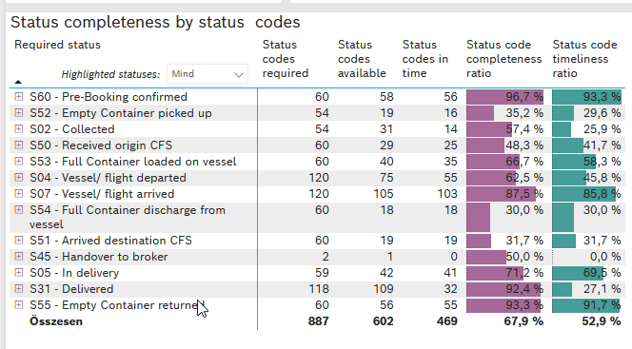
Required status | STATUS_TYPE | Service_Provider | Status codes required | Status codes available | Status codes in time | Status code completeness ratio | Status code timeliness ratio
S60 - Pre-Booking confirmed | Actual | 0000056066 - Maersk | 60 | 58 | 56 | 96.7 % | 93.3 %
S52 - Empty Container picked up | Actual | 0000056066 - Maersk | 54 | 19 | 16 | 35.2 % | 29.6 %
S02 - Collected | Actual | 0000056066 - Maersk | 54 | 31 | 14 | 57.4 % | 25.9 %
S50 - Received origin CFS | Actual | 0000056066 - Maersk | 60 | 29 | 25 | 48.3 % | 41.7 %
S53 - Full Container loaded on vessel | Actual | 0000056066 - Maersk | 60 | 40 | 35 | 66.7 % | 58.3 %
S04 - Vessel/ flight departed | Actual | 0000056066 - Maersk | 60 | 38 | 35 | 63.3 % | 58.3 %
S04 - Vessel/ flight departed | Estimated | 0000056066 - Maersk | 60 | 37 | 20 | 61.7 % | 33.3 %
S07 - Vessel/ flight arrived | Actual | 0000056066 - Maersk | 60 | 52 | 52 | 86.7 % | 86.7 %
S07 - Vessel/ flight arrived | Estimated | 0000056066 - Maersk | 60 | 53 | 51 | 88.3 % | 85.0 %
S54 - Full Container discharge from vessel | Actual | 0000056066 - Maersk | 60 | 18 | 18 | 30.0 % | 30.0 %
S51 - Arrived destination CFS | Actual | 0000056066 - Maersk | 60 | 19 | 19 | 31.7 % | 31.7 %
S45 - Handover to broker | Actual | 0000056066 - Maersk | 1 | 0 | 0 | 0.0 % | 0.0 %
S45 - Handover to broker | Estimated | 0000056066 - Maersk | 1 | 1 | 0 | 100.0 % | 0.0 %
S05 - In delivery | Actual | 0000056066 - Maersk | 59 | 42 | 41 | 71.2 % | 69.5 %
S31 - Delivered | Actual | 0000056066 - Maersk | 59 | 54 | 26 | 91.5 % | 44.1 %
S31 - Delivered | Estimated | 0000056066 - Maersk | 59 | 55 | 6 | 93.2 % | 10.2 %
S55 - Empty Container returned | Actual | 0000056066 - Maersk | 60 | 56 | 55 | 93.3 % | 91.7 %

LCL
Alkalmazott szűrők: Highlighted nem egyezik ezzel: (Üres) Arrival_date ekkori vagy későbbi a következőnél: 2026.03.30. 0:00:00 és dátuma korábbi, mint 2026.04.06. 0:00:00 Mandatory egyezik ezzel: Yes LSP egyezik ezzel: Maersk Service_Load egyezik ezzel: LCL Canceled_shipment egyezik ezzel: N
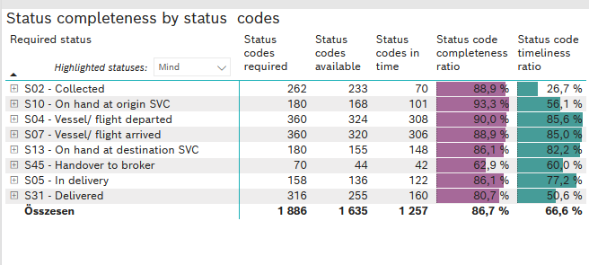
Required status | STATUS_TYPE | Service_Provider | Status codes required | Status codes available | Status codes in time | Status code completeness ratio | Status code timeliness ratio
S02 - Collected | Actual | 0000056066 - Maersk | 131 | 115 | 70 | 87.8 % | 53.4 %
S02 - Collected | Estimated | 0000056066 - Maersk | 131 | 118 | 0 | 90.1 % | 0.0 %
S10 - On hand at origin SVC | Actual | 0000056066 - Maersk | 180 | 168 | 101 | 93.3 % | 56.1 %
S04 - Vessel/ flight departed | Actual | 0000056066 - Maersk | 180 | 160 | 157 | 88.9 % | 87.2 %
S04 - Vessel/ flight departed | Estimated | 0000056066 - Maersk | 180 | 164 | 151 | 91.1 % | 83.9 %
S07 - Vessel/ flight arrived | Actual | 0000056066 - Maersk | 180 | 159 | 158 | 88.3 % | 87.8 %
S07 - Vessel/ flight arrived | Estimated | 0000056066 - Maersk | 180 | 161 | 148 | 89.4 % | 82.2 %
S13 - On hand at destination SVC | Actual | 0000056066 - Maersk | 180 | 155 | 148 | 86.1 % | 82.2 %
S45 - Handover to broker | Actual | 0000056066 - Maersk | 35 | 24 | 23 | 68.6 % | 65.7 %
S45 - Handover to broker | Estimated | 0000056066 - Maersk | 35 | 20 | 19 | 57.1 % | 54.3 %
S05 - In delivery | Actual | 0000056066 - Maersk | 158 | 136 | 122 | 86.1 % | 77.2 %
S31 - Delivered | Actual | 0000056066 - Maersk | 158 | 117 | 32 | 74.1 % | 20.3 %
S31 - Delivered | Estimated | 0000056066 - Maersk | 158 | 138 | 128 | 87.3 % | 81.0 %

